Sheet1
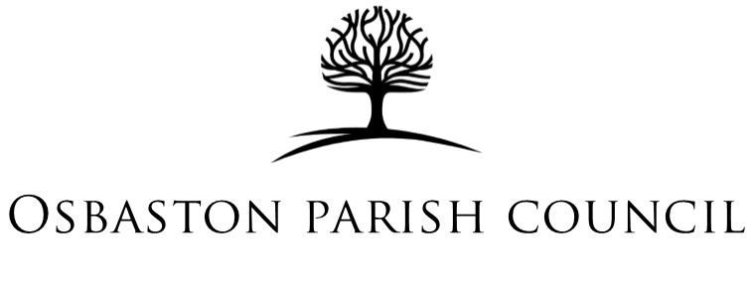

Financial Statement - September - December 25
 |  |  |  |  |  |  | £ p
Lloyds Balance carried forward - 01/09/2025 |  |  |  |  |  |  | £8,191.41

 | Payments
 | Payee | Details | Budget Item
2025-09-02 | HBBC | Precept - 2nd Payment | Precept | 4186
2025-09-30 | STANTON UNDER BARD LAND REGISTRY | Refund from Stanton under Bardon PC | Staff Salaries | 14
2025-11-11 | MOBILE CHEQUE CLOSURE OF HSBC | Closure of HSBC | Internal Transfer | 31.94
 |  |  |  |  | Add | 4231.94

2025-12-19 | Lloyds | Bank Charges | Subscriptions | 4.25
2025-11-18 | Lloyds | Bank Charges | Subscriptions | 4.25
2025-11-10 | Plexus Media | Website Hosting | It Services | 108
2025-11-10 | G&G Signs | Street Nameplates | Community Projects | 1128
2025-11-10 | Leicestershire County Council | 50% payment for bus shelter repair | Community Projects | 101.25
2025-10-20 | Lloyds | Bank Charges | Subscriptions | 4.25
2025-10-20 | HMRC | PAYE - Q2 | Staff Salaries | 119.6
2025-09-26 | Joanne Lowe | Salary | Staff Salaries | 477.96
2025-09-19 | Lloyds | Bank Charges | Subscriptions | 4.25
 |  |  |  |  | Subtract | 1951.81

Closing Balance - 30/11/25 |  |  |  |  |  |  | £10,471.54

I have checked this financial statement against the bank statements presented to Council and confirm it to be accurate

Chairman | …............................................................ |  | Date | ….........................................................

